Notation
Device
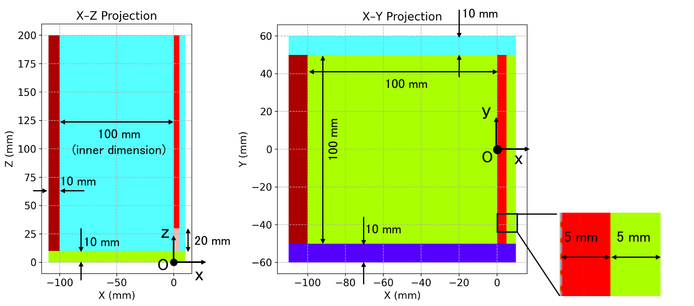

A
Tetrahedral particle
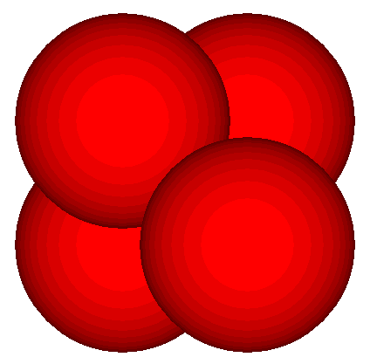
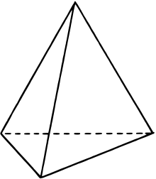

B
D

C

Diameter of sphere circumscribed around tetrahedral particle |  |  |  |  | Ds = | 0.01000 | m
Radius of sphere element |  |  |  |  | rs = | 0.00310 | m

 |  | x (m) | y (m) | z (m)
 | A | 0.00155 | 0.00090 | 0.00253
 | B | 0.00000 | 0.00000 | 0.00000
 | C | 0.00310 | 0.00000 | 0.00000
 | D | 0.00155 | 0.00269 | 0.00000

